Sheet1
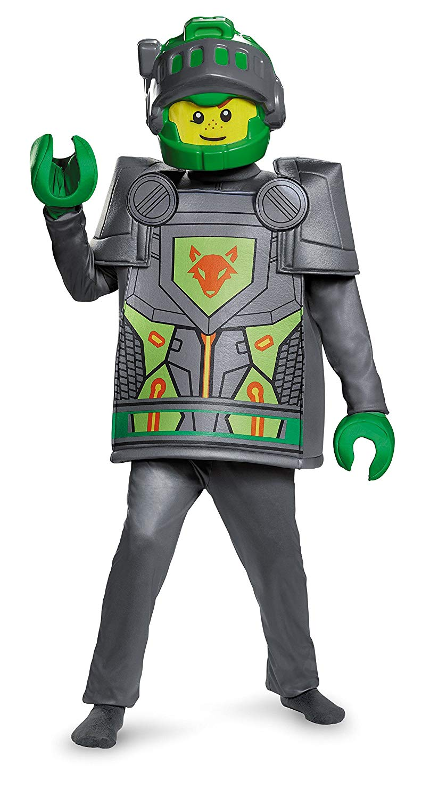
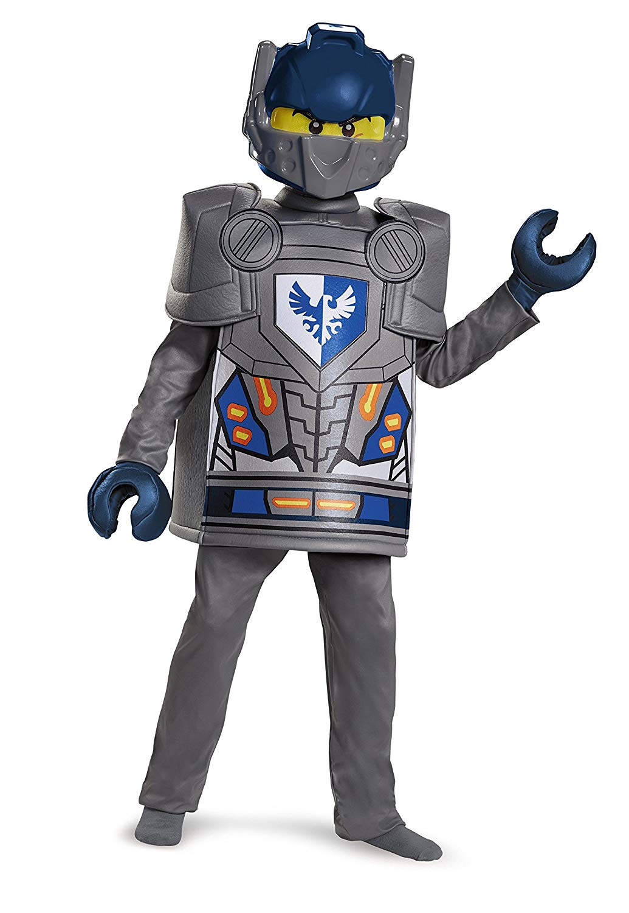
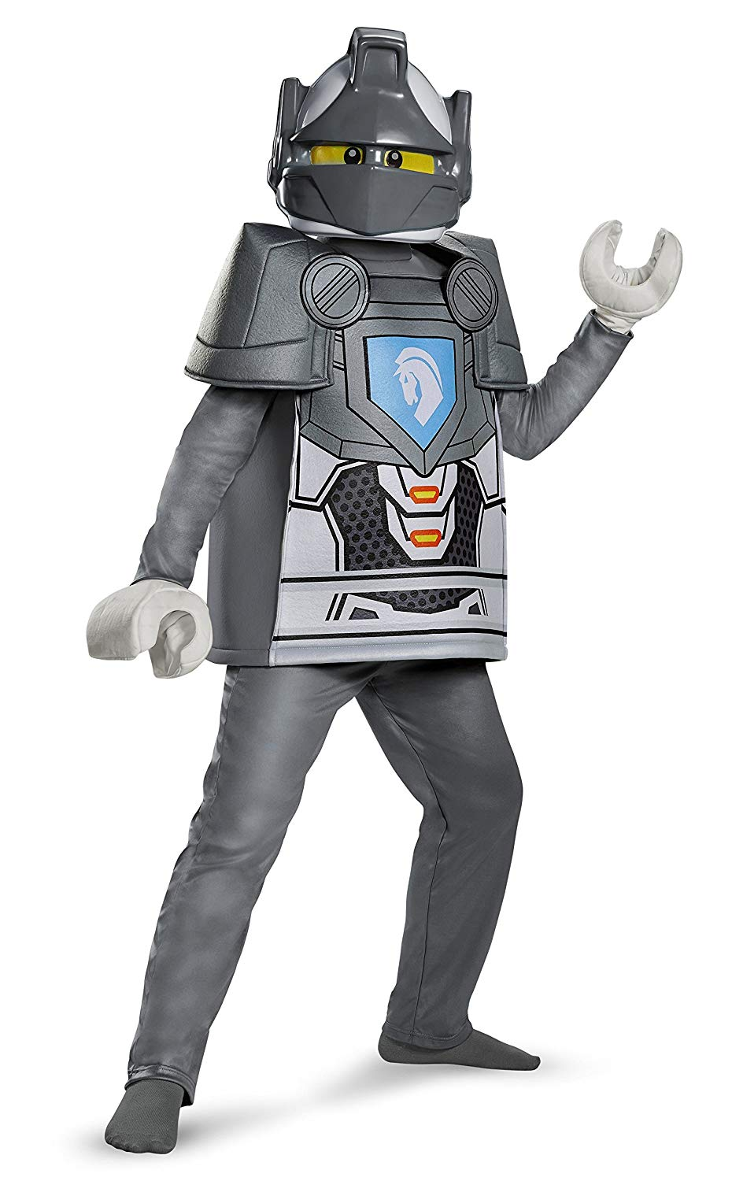
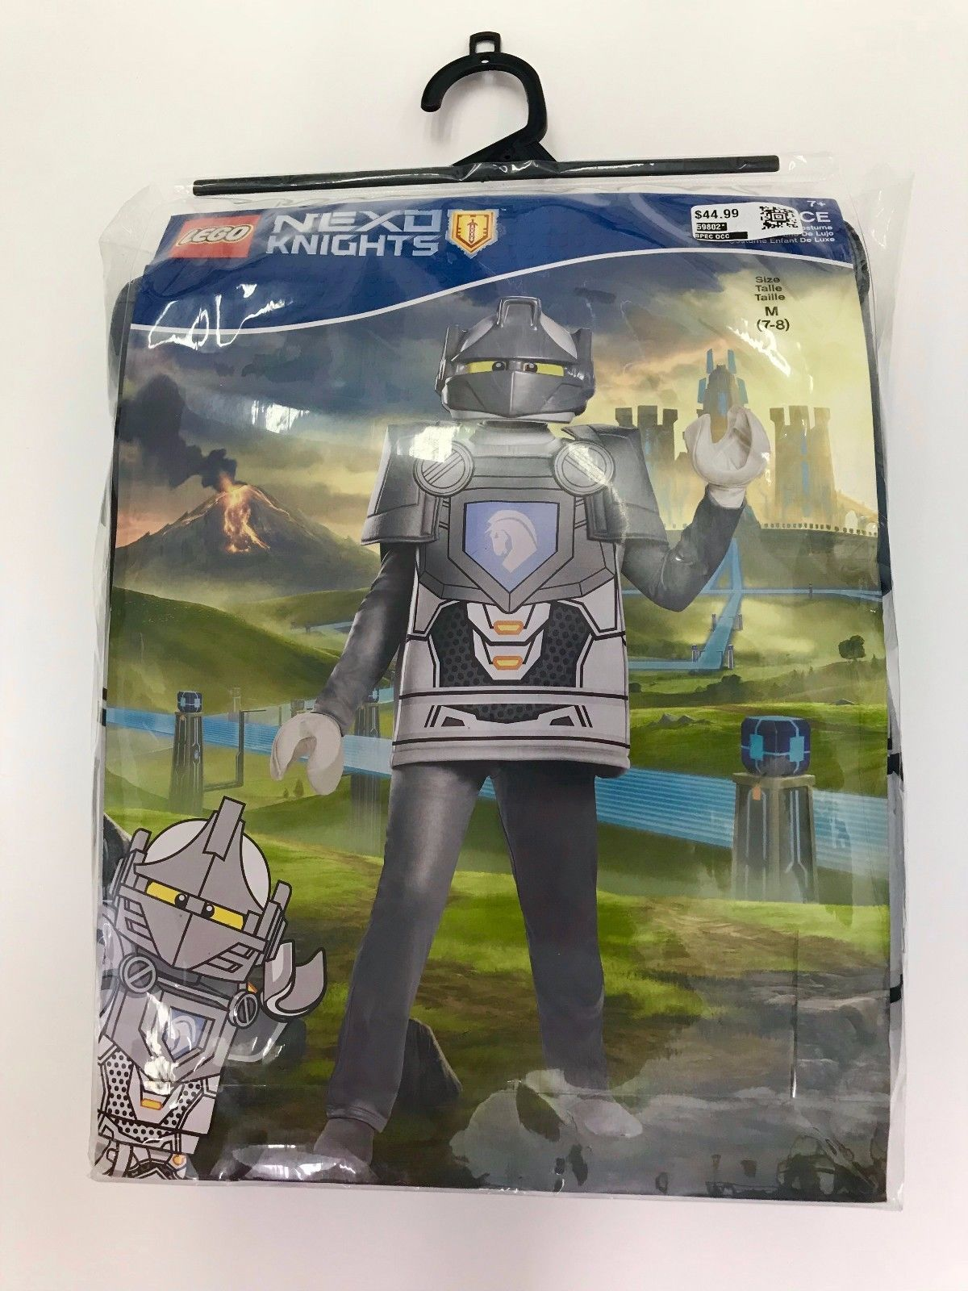
item number | Size | Description | UPC | Case Pack | Case weight | Quantities | Cases | Cube
10365G | L(10-12) | LEGO NEXO KNIGHTS CLAY DELUXE | 039897103860 | 6 | 8.1 | 1914 | 319 | 2.8
10365K | M(7-8) | LEGO NEXO KNIGHTS CLAY DELUXE | 039897103655 | 6 | 7.8 | 1488 | 248 | 2.7
10365L | S(4-6) | LEGO NEXO KNIGHTS CLAY DELUXE | 039897103792 | 6 | 7.5 | 3462 | 577 | 2.6 | 6864
10387G | L(10-12) | LEGO NEXO KNIGHTS LANCE DELUXE | 039897103983 | 6 | 8.1 | 2100 | 350 | 2.8
10387K | M(7-8) | LEGO NEXO KNIGHTS LANCE DELUXE | 039897103877 | 6 | 7.8 | 3030 | 505 | 2.7
10387L | S(4-6) | LEGO NEXO KNIGHTS LANCE DELUXE | 039897103945 | 6 | 7.5 | 3870 | 645 | 2.6 | 9000
10419G | L(10-12) | LEGO NEXO KNIGHTS AARON DELUXE | 039897104430 | 6 | 8.1 | 2484 | 414 | 2.3
10419K | M(7-8) | LEGO NEXO KNIGHTS AARON DELUXE | 039897104195 | 6 | 7.8 | 2334 | 389 | 2.2
10419L | S(4-6) | LEGO NEXO KNIGHTS AARON DELUXE | 039897104225 | 6 | 7.5 | 2238 | 373 | 2.1 | 7056

 |  |  |  |  |  | 22920

